IF
IF

= IF(TEST, true, false)

 | If marks greater than 59, pass, otherwise fail
 | 59 | Fail
 | 60 | Pass
 | 98 | Pass
 | 32 | Fail
Q2. A person retires and he wishes to withdraw Rs. 100,000 each month from his retirment benifits for the next 200 months. How much he needs to have in his retirement benefits now if rate is 1% per month.
Q3. If we take a loan of Rs. 800,000 from a bank. The bank requires equal payment of the loan over the next 10 years. What amount we need to pay each year to return this loan, with rate of return for bank = 15%
Find annuity i.e. PMT
Q4. We need to have 8 millions in our account when we retire. current age 30, we shall retire at age 60. How much do we need to pay each year to have the required amount, if rate of return is 12%
Adjustments to RATE and NPER
Adjustments are needed when the payment occurs multiple times in a year. We call it compounding more than once in a period.
Adjusted rate = RATE / Number of compoundings Adjusted NPER = NPER * Number of compounding
Q5. If we take a loan of Rs. 800,000 from a bank. The bank requires equal monthly payment of the loan over the next 10 years. What amount we need to pay each month to return this loan, with rate of return for bank = 15% per year. [Use monthly compounding]

If a student has scored more than 80, declare him passed
otherwise declare him failed

Name | Marks | Results
Ahmad | 80 | Failed
Mohabbat Shah | 85 | Passed
Khan Zaman | 70 | Failed
Sona Khan | 88 | Passed

Example 3
Students from FATA will get 10 bonus marks
students from DIR will get 5 bonus marks
No bonus marks for other students

Person | Domicile | Marks | Bonus | Total
Ali | FATA | 500 | 10
Shaan | DIR | 600 | 5
Akbar | FATA | 700 | 10
Saqib | Peshawar | 600 | 0

Q3
If income is greater or equal to Rs. 200000 per year
the income will be taxed at 10%, if it is less than 200000,
there will be no taxes
Name | Yearly | Tax
Ahmad | 60000 | PKR 0
Mohabbat Shah | 1800000 | PKR 180,000
Khan Zaman | 2160000 | PKR 216,000
Sona Khan | 1080000 | PKR 108,000

Nested IF
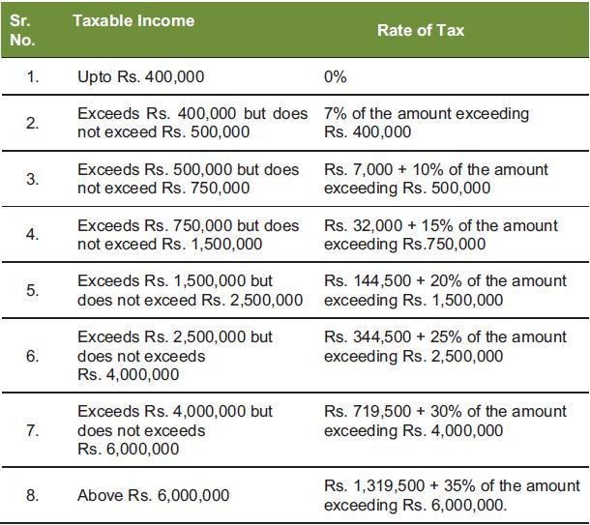
Three outcomes, Use two if
If score is 90 or above |  | A
If score is 80 or above |  | B
Otherwise |  | C

Names | Marks | Grade
Ali | 80 | B
Shaan | 70 | C
Akbar | 100 | A

Question 2 | Income tax Slabs
If income is below 50000, tax is zero
if income is greater than 50000, but less than 200000, tax is 10%
if income is greater than 200000 tax is 20%

Person | Income | Tax % | Tax amount
Ali | 40000 | 0.00 | 0
Shaan | 70000 | 0.10 | 7000
Akbar | 500000 | 0.20 | 100000
Saqib | 140000 | 0.10 | 14000

Example 3
Students from FATA will get 10 bonus marks
students from DIR will get 5 bonus marks
No bonus marks for other students

Person | Domicile | Marks | Bonus
Ali | FATA | 500 | 10
Shaan | DIR | 600 | 5
Akbar | FATA | 700 | 10
Saqib | Peshawar | 600 | 0

Example 4:
Four conditions
If score is 90 or above |  | A
If score is 80 or above |  | B
If score is 70 or above |  | C
Otherwise |  | D

Names | Marks | Grade
Ali | 80 | B
Shaan | 70 | C
Akbar | 100 | A
Sania | 60 | D

Exercise 6

